1. Title Page
Project Name: Instacart Grocery Basket Analysis
Date: March 10th 2024
Analyst Name: Esther Howard

Contents:
Population Flow
Consistency checks
Wrangling steps
Column derivations
Visualizations
Recommendations

Data Citation:
“The Instacart Online Grocery Shopping Dataset 2017”
Accessed from www.instacart.com/datasets/grocery-shopping-2017 via Kaggle on March 6th 2024

*Do note that the customer data as well as the prices were both fabricated for the purpose of this exercise

2. Population Flow
Population flow

Orders_products_combined
Orders_products_merged
Orders_products_all

Total: 32,404,859
Total: 32,434,489
Total: 32,404,859

3. Consistency checks
Consistency checks

Dataset | Missing values | Missing values treatment | Duplicates
orders | days_since_prior_order | 206,209 Null values. No treatment was done since first orders won't have days_since_prior_order | No duplicates
products | No missing values | - | 5 duplicates were found and removed.
orders_products_prior | No missing values | - | No duplicates
customers | first_name | Since first_name column was deleted due to PII, no treatmend was done to the missing values. | No duplicates

4. Wrangling steps
Wrangling steps

Columns dropped | Columns renamed | Columns' type changed | Comment/Reason
df_orders.eval_set |  |  | Not needed for analysis
 | df_orders.order_number |  | Renamed for intuitivity
 | df_orders.order_dow |  | Renamed for intuitivity
 |  | df_orders.user_id
 |  | df_orders.order_id
 |  | df_products.product_id
df_final.first_name |  |  | Not needed for analysis
df_final.last_name |  |  | Not needed for analysis
df_final.date_joined |  |  | Not needed for analysis
df_final.aisle_id |  |  | Not needed for analysis
df_final._merge |  |  | Not needed for analysis

5. Column derivations
Column derivations and aggregations

Dataset | New column | Column/s it was derived from | Conditions
df_final | price_range | prices | if price >= 5 then low-range; elseif price between 5-15 then mid-range; elseif price > 15 then high-range
df_final | busiest_day | orders_day_of_week | if 2 days with most orders then busiest day; elseif 2 days with least orders then slowest days; else then regular days
df_final | busiest_period_of_day | orders_hour_of_day | if 6 higher values of order_hour_of_day then most orders; else if 6 lowest values of order_hour_of_day then fewest orders; else then regular orders
df_final | max_order | number_of_orders | highest number_of_orders by user_id
df_final | loyalty_flag | max_order | if max_order > 40 then loyal customer; else if max_order <= 10 then new customer; else then regular customer
df_final | avg_price_purchases | prices | mean of prices by user_id
df_final | spending_flag | avg_price_purchases | if avg_price_purchases >= 10 then high spender; elseif avg_price_purchases < 10 then low spender; else then average spender
df_final | order_frequency | days_since_prior_order | if days_since_prior_order > 20 then non-frequent-customer; elseif days_since_prior_order <=10 then frequent customer else then regular customer
df_final | activity_type | order_number | if order_number < 5 then low activity; elseif order_number >= 5 then high activity
df_final | age_income_profile | income, age | if age >= 18 & age < 35 & income > 50,000 then low-income young-adult; elseif age >= 18 & age < 35 & income >= 50,000 & income < 150,000 then mid-income young-adult; elseif age >= 18 & age < 35 & income > 150,000 then high-income young-adult; elseif age >= 35 & age < 65 & income > 50,000 then low-income adult; elseif age >= 35 & age < 65 & income >= 50,000 & income < 150,000 then mid-income adult; else if age >= 35 & age < 65 & income >=150,000 then high-income adult; elseif age >=65 & income < 50,000 then low-income senior; elseif age >=65 & income >= 50,000 & income < 150,000 then mid-income senior; elseif age >=65 & income >= 150,000 then high-income senior;
df_final | region | state | if state in [Alaska, California, Hawaii, Oregon, Washington, Arizona, Colorado, Idaho, Montana, Nevada, New Mexico, Utah, Wyoiming] then West; else if state in [Illinois, Indiana, Michigan, Ohio, Wisconsis, Iowa, Kansas, Minnesota, Missouri, Nebraska, North Dakota, South Dakota] then Midwest; elseif state in [New Hampshire, Massachusetts, Maine, Connecticut, Rhode Island, Vermont, New Jersey, New York, Pennsylvania] then Northeast; elseif state in [Delaware, Florida, Georgia, Maryland, North Carolina, South Carolina, Virginia, Washington DC, West Virginia, Alabama, Kentucky, Mississippi, Tennessee, Arkansas, Louisiana, Oklahoma, Texas] then South

6. Visualizations
 | Title page

Visualisations

Busiest days of the week
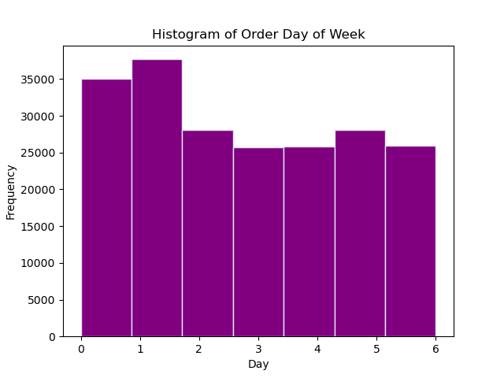
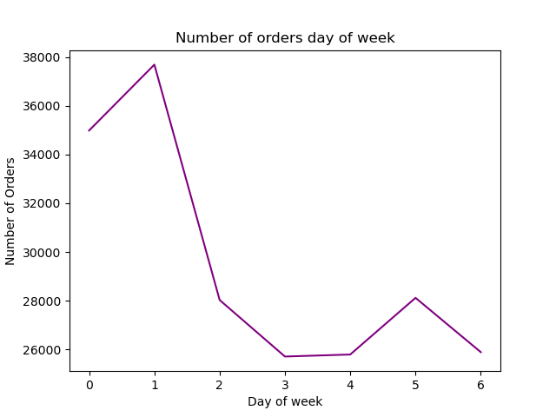

Image 1.1
Image 1.2

Busiest hours of the day
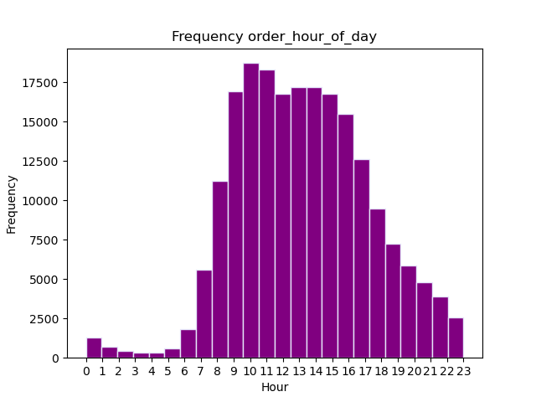

Image 2.1

Times of the day when people spend more money

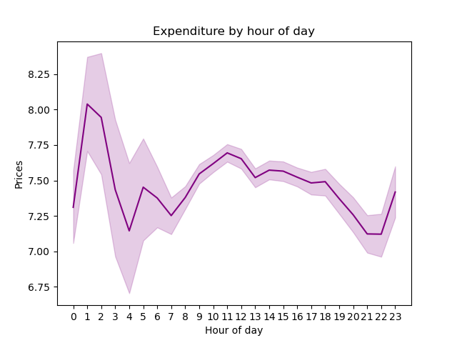

Image 3.1

Price range grouping
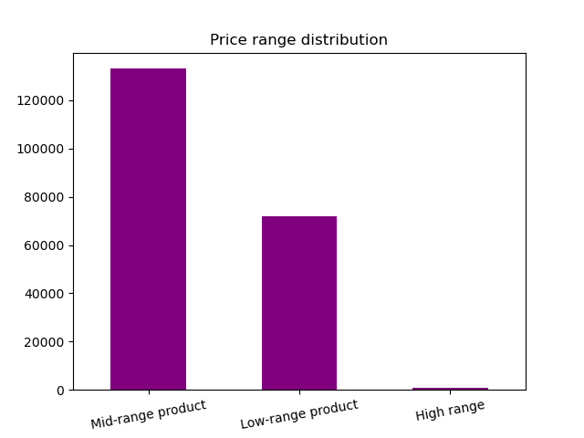

Image 4.1

What product are more popular

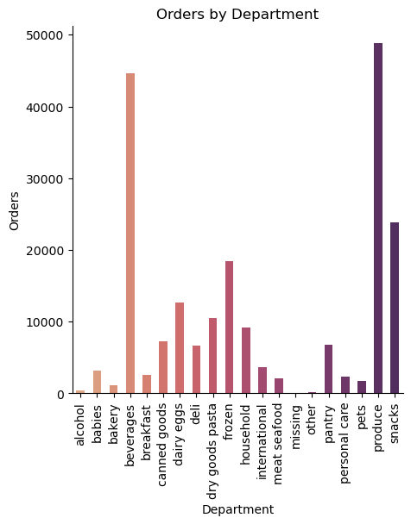
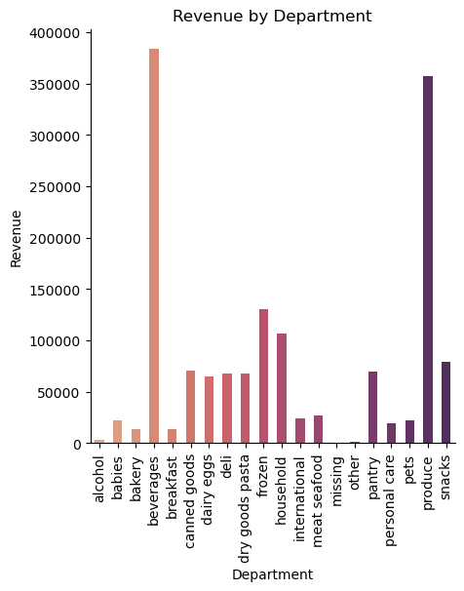

Image 5.1
Image 5.2

What's the distribution among users regarding loyalty brand

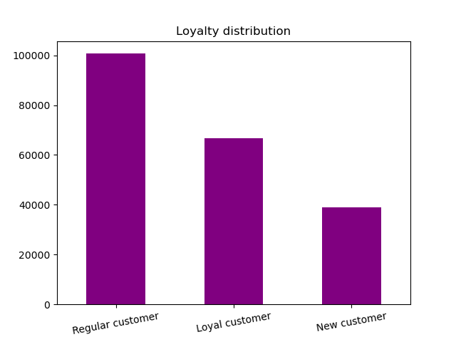

Image 6.1

Differences in ordering habits based on customer's loyalty status

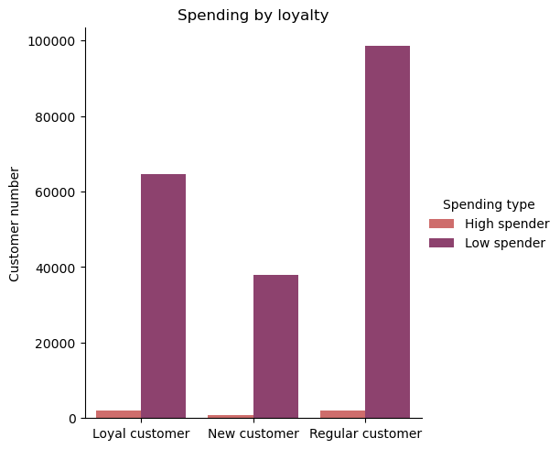
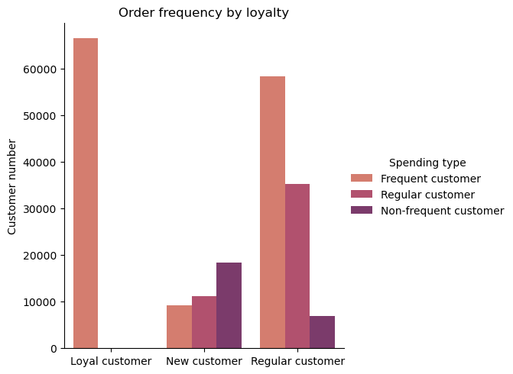

Image 7.1
Image 7.2

Differences in ordering habits based on customer's region

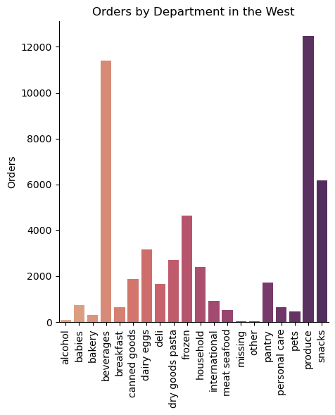
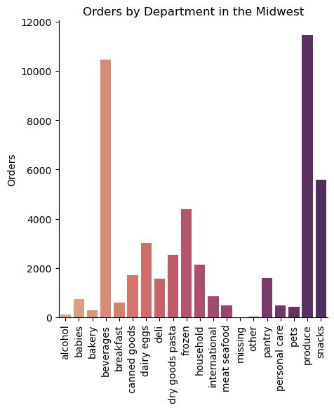
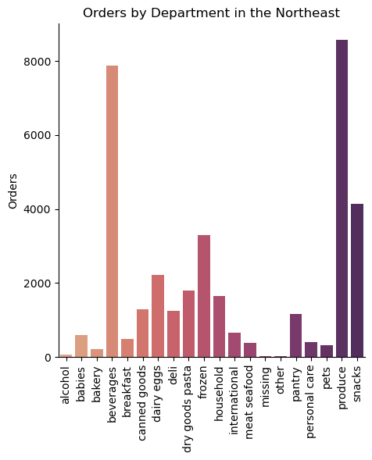
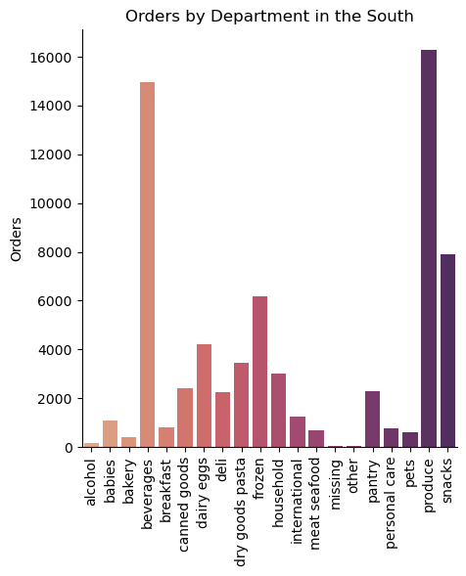

Image 8.1
Image 8.2
Image 8.3
Image 8.4

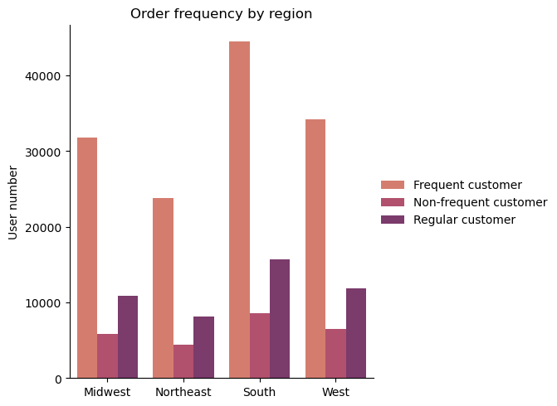
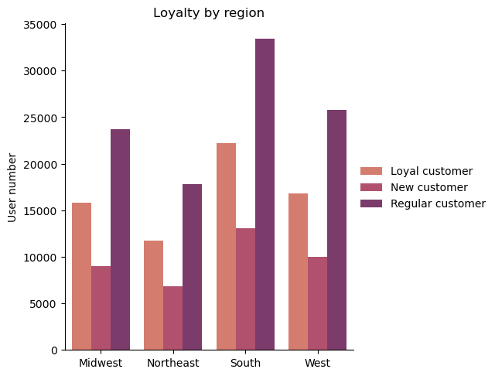
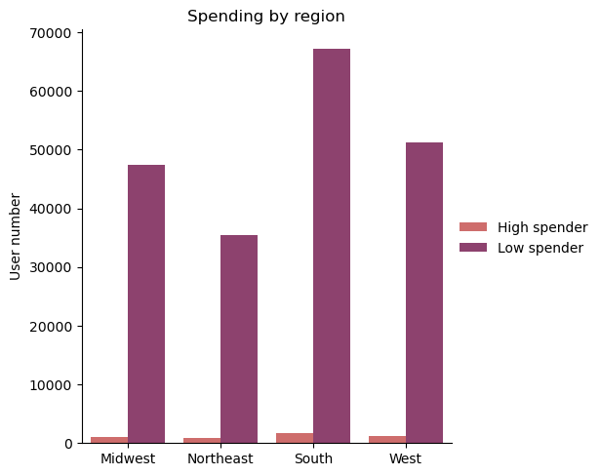

Image 8.5
Image 8.6
Image 8.7

Differences in orders by customer profiles

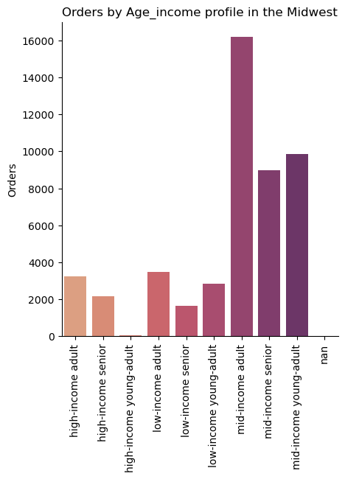
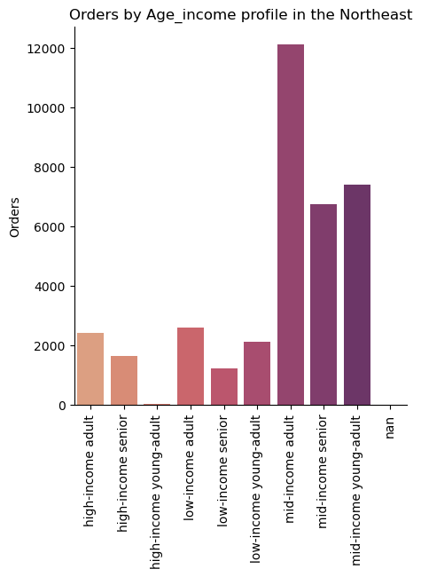

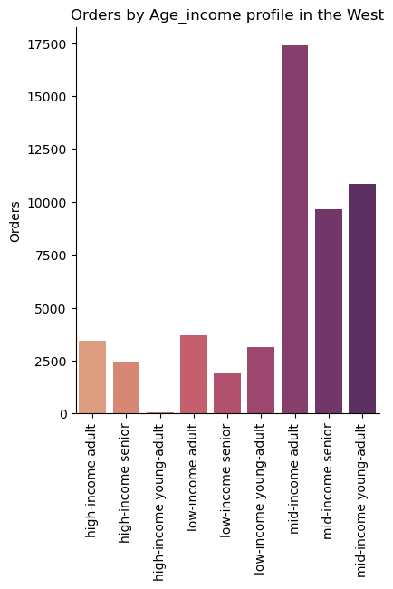

Image 9.1
Image 9.2
Image 9.3
Image 9.4

Different classifications by demographic information

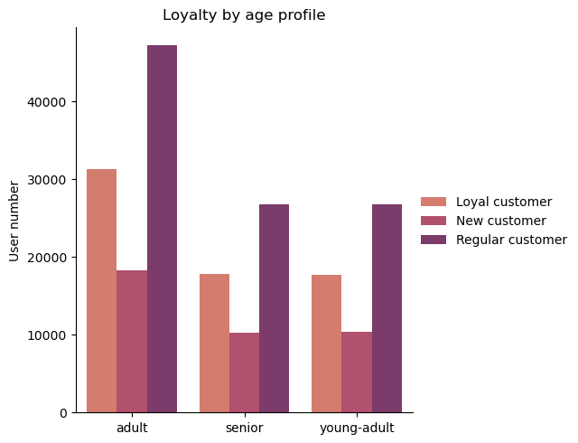
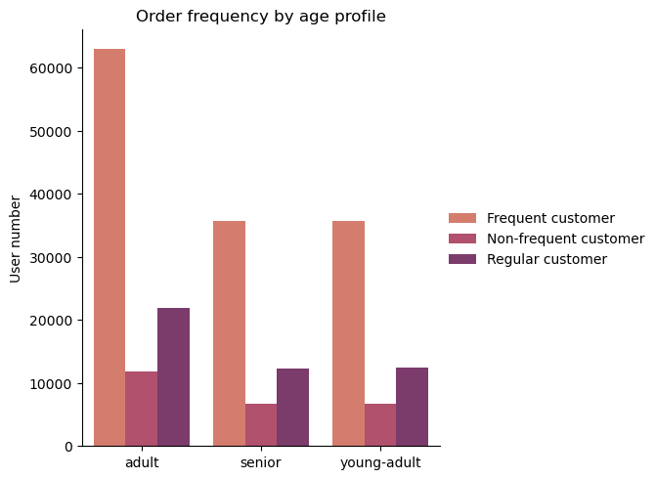
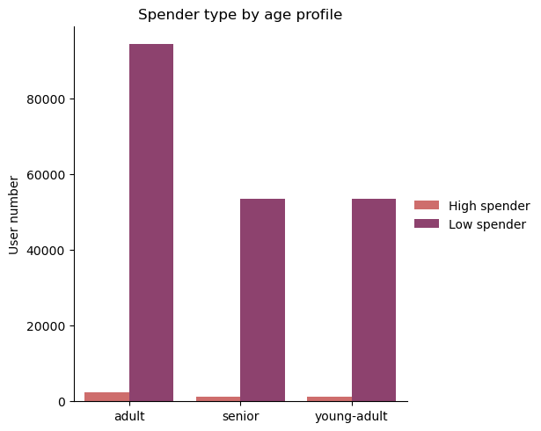

Image 10.1
Image 10.2
Image 10.3

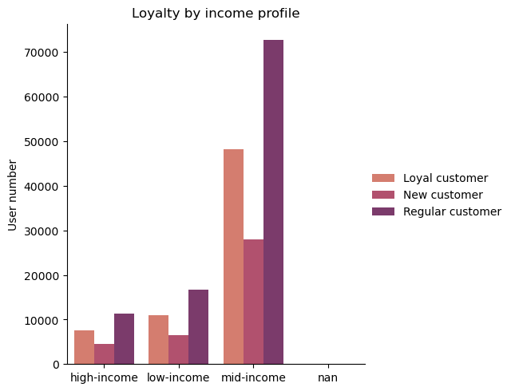
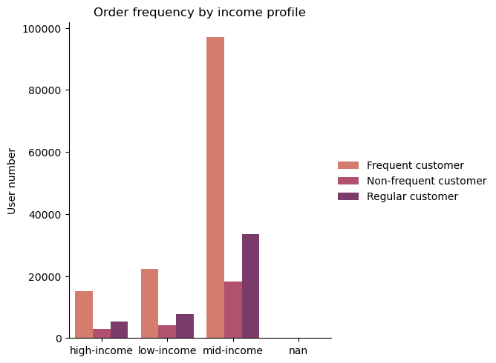
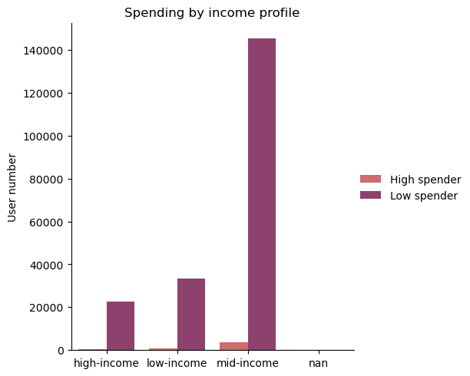

Image 10.4
Image 10.5
Image 10.6

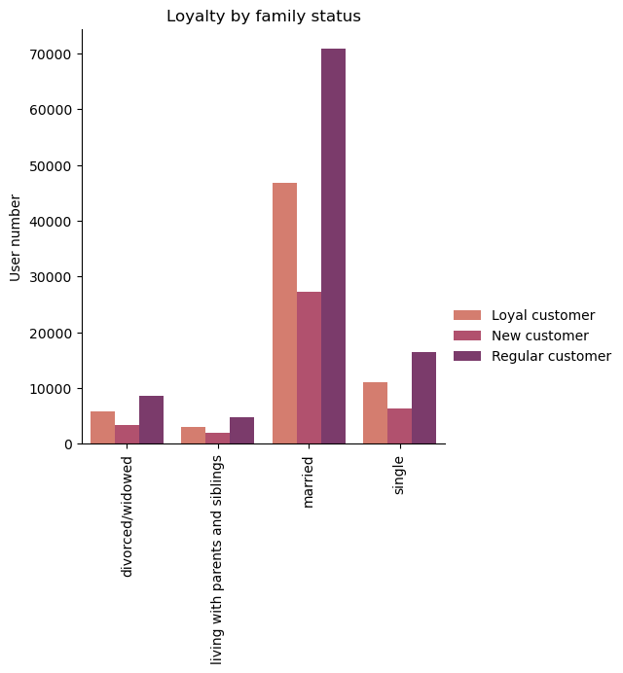
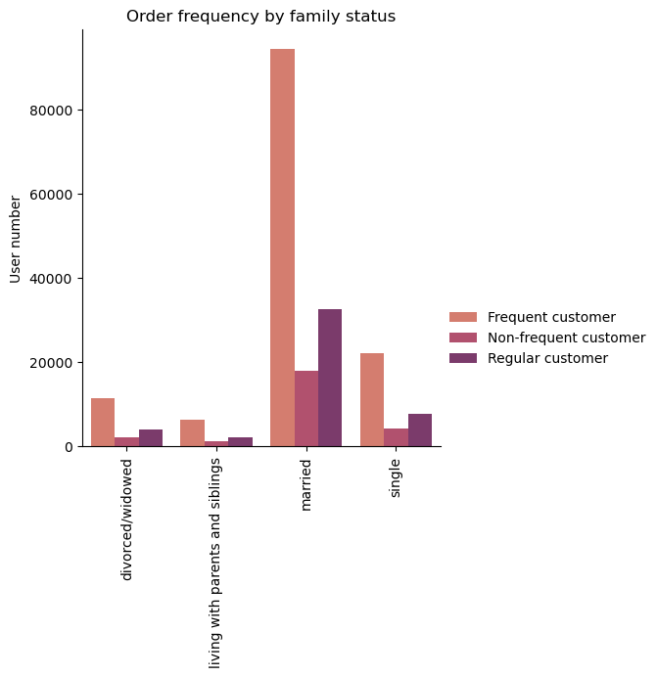
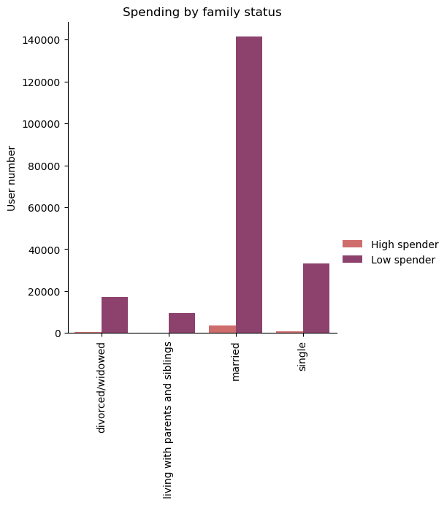

Image 10.7
Image 10.8
Image 10.9

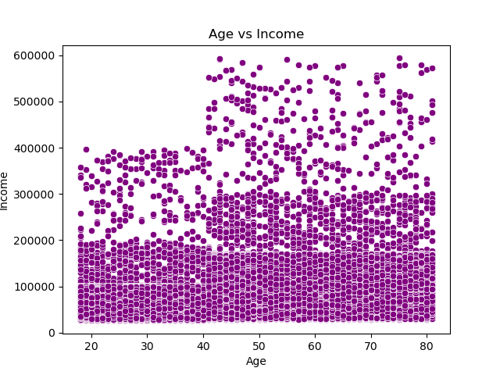
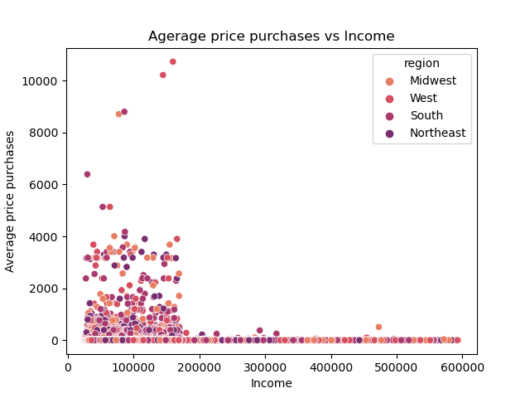

Image 10.11
Image 10.10

What part of the offering has the lowest market share

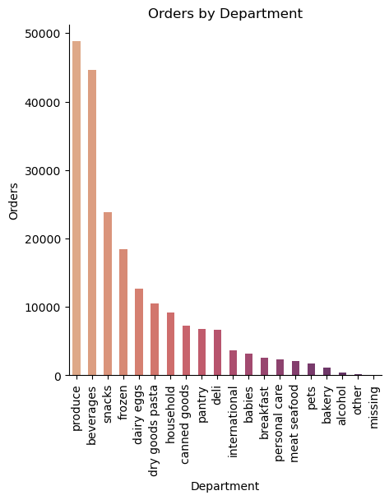

Image 11.1

7. Recommendations
 |  | Title page

Recommendations

Recommendations

1. Sales team should run adds Tuesdays and Wednesdays since they are the slowest days.
2. Sales team should also consider running ads in the early hours of the day (1-3am) since there are the slowest hours of the day but at the same time the hours that people spend the most money
3. Consider adding more high-range products and run ads for those products at the busiest days and times of the day when people spends more money
4. Marketing and sales should run more ads ond produce, beverages, snacks and frozen. Also increase high-range products in these departments.
5. Most customers in the platform are regular and loyal customers that shop frequently. Create some type of rewards to keep incentivizing purchases
6. Increase ads and promotions to help customer retention in the South region
7. Increase ads and promotions to gain customers in the northeast
8. Increase ads and add new products to attract young-adults and seniors to the platform
9. Brainstorm how to attract divorced, single and folks living with family to the platform
10. Create a line of luxury products to attract high-income customers

Answers to Stakeholders' questions

Question | Answer

The sales team needs to know what the busiest days of the week and hours of the day are (i.e., the days and times with the most orders) in order to schedule ads at times when there are fewer orders. | The busiest days of the week are Saturday and Sunday (Image 1.1). The slowest days are Tuesday and Wednesday (Image 1.1) The busiest hours of the day are 10am and 11am (Image 2.1). The slowest hours of the day are 3am and 4am (Image 2.1)

The sales team wants to know whether there are particular times of the day when people spend the most money, as this might inform the type of products they advertise at these times. | The time of the day where people spend the most money are 1-3am (Image 3.1)

Instacart has a lot of products with different price tags. Marketing and sales want to use simpler price range groupings to help direct their efforts. | Most products at instacart are considered mid-range products (Image 4.1), between $5-$15 and up to about 70% of total products. Low-range products are products under $5 and are about 29% of total product. High-range products are over $15 and are about 1% of total products

Are there certain types of products that are more popular than others? The marketing and sales teams want to know which departments have the highest frequency of product orders. | The departmens with more orders are produce, beverages and snacks (Image 5.1). The departments with higher revenue are beverages, produce and frozen (Image 5.2)

What’s the distribution among users in regards to their brand loyalty (i.e., how often do they return to Instacart)? | About 50% of users at Instacart are regular customers (10-40 orders in total). 30% of the users are loyal customers (over 40 orders) and 20% of users are new customers (less than 10 orders) (Image 6.1)

Are there differences in ordering habits based on a customer’s loyalty status? | Most customers in the platform are low spenders (Image 7.1). Loyal and regular customers are frequent customers (Image 7.2) meanwhile new customers tend to be non-frequent customers.

Are there differences in ordering habits based on a customer’s region? | If we analyze loyalty (Image 8.5), spending (Image 8.6) and frequency of ordering (Image 8.7) by region, the South is the one with highest customers in those 3 markers, followed by the West, the Midweast and Norheast in that order.

Is there a connection between age and family status in terms of ordering habits? | There seems to be a connection between age and ordering habits, adults (35-64 years old) are the most loyal of the 3 groups (Image 10.1) also making them the group with most order frequency (Image 10.2) There also seems to be a connection between family status with married people being the group with most loyal and recurrent order customers (Images 10.7 & 10.8)

What different classifications does the demographic information suggest? Age? Income? Certain types of goods? Family status? | I divided the data by age, income and family status, and there are consistent trends looking at those markers (Images 10.x)

What differences can you find in ordering habits of different customer profiles? Consider the price of orders, the frequency of orders, the products customers are ordering. | Mid-income customers are the group with more loyalty and more recurring orders (Images 10.4 & 10.5). Low-income and mid-income customers are the ones that spend the most in the platform (Image 10.11)

We need to know what part of our offering has the lowest market share and why. Based on this input, we could improve this sector and boost sales. | The departments with less orders are alcohol, bakery and pets (Image 11.1)

